Sheet1
T-X20W345372A-8sets
No. Item | Mfg Part | Package/Footprint | Description / Value | Designator | Qty per board | Total Qty | Qty Received | Instructions / Notes | Assembly Question | Reply from Customer
10 | MTJ-642BX2 | RJ14_ADAMTECH_MTJ-642BX2_Horizontal | 6P4C『 』RJ connector, 6P4C (6 positions 4 connected), RJ13/RJ14 | J3,J4,J5,J7 | 4 | 32 | 35 | C6600933 | We bought the component MTJ-642BX2, but it can't match the land pattern on the board. Please refer to the recommended design in the data-sheet, the distance marked in red should be 5.55mm, but you only designed it for 4.97mm in the Gerber file, so the pins can't be inserted into the holes. Please provide us a replacement component part number. |  | 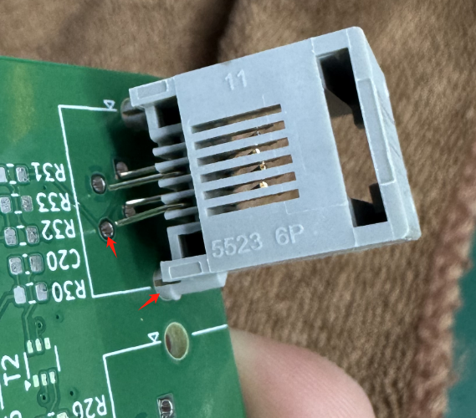 | 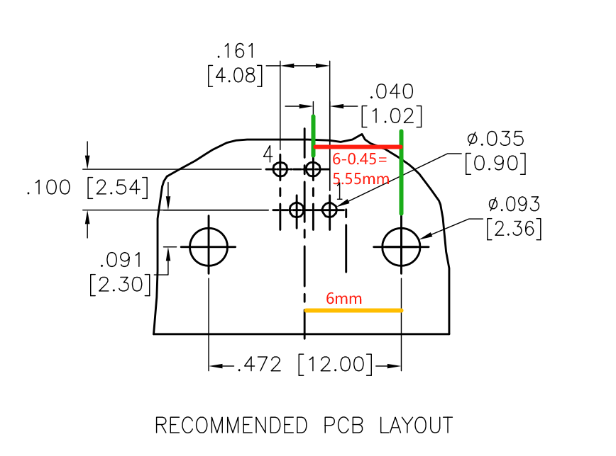 | 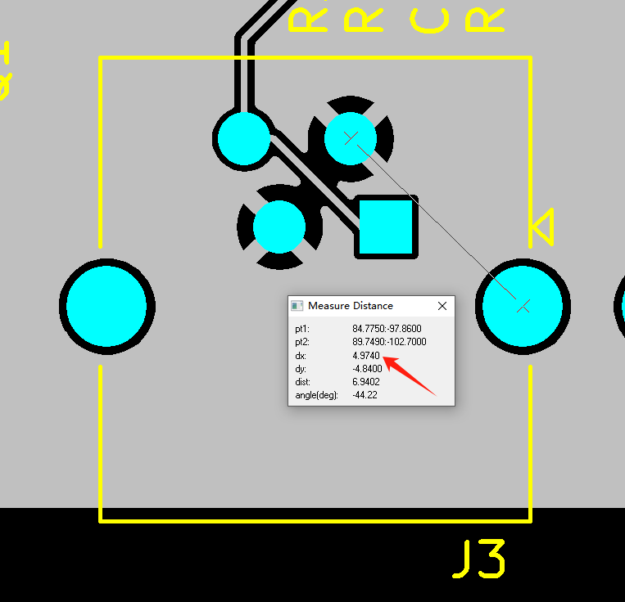
29 | KMR221GLFS | SW_Push_1P1T_NO_CK_KMR2 | RESET『 』Push button switch, generic, two pins | SW1 | 1 | 8 | 9 | C72443 | We bought the component KMR221GLFS, but it can't match the land pattern on the board. Please refer to the recommended design in the data-sheet, you designed one less pad in the Gerber file. Can we solder the component we bought? And please change the design in your next order. |  | 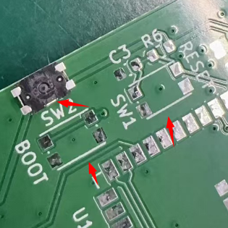 | 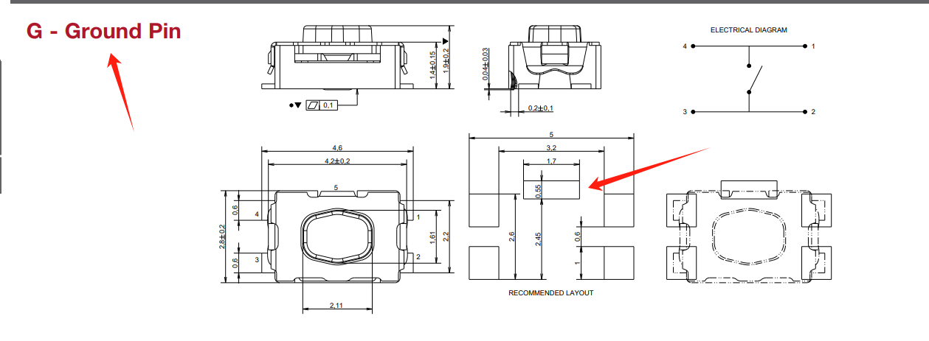 |  | 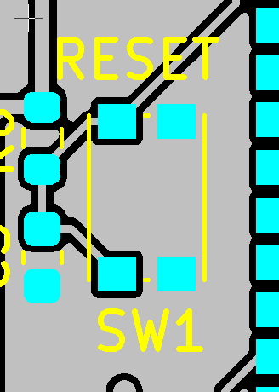
30 | KMR221GLFS | SW_Push_1P1T_NO_CK_KMR2 | BOOT『 』Push button switch, generic, two pins | SW2 | 1 | 8 | 9 | C72443 | We bought the component KMR221GLFS, but it can't match the land pattern on the board. Please refer to the recommended design in the data-sheet, you designed one less pad in the Gerber file. Can we solder the component we bought? And please change the design in your next order. |  |  |  |  | 